Test Cycle 1

 |  |  |  |  |  |  |  |  |  |  |  |  | Not Ready | Not Ready | Not Executed
 |  |  |  |  |  |  |  |  |  |  |  |  | Ready | Ready | WIP
 |  |  |  |  |  |  |  |  |  |  |  |  | Testing – WIP | WIP | Passed
 |  |  |  |  |  |  |  |  |  |  |  |  | Testing – Passed | Passed | Failed
 |  |  |  |  |  |  |  |  |  |  |  |  | Testing – Failed | Failed
Mapping | N/A |  |  | Entity | SO |  |  |  |  |  |  |  | Review – WIP
Workflow | RUN_OUTBOUND_SO_CA , RUN_OUTBOUND_PE_CA |  |  | Date tested | 15/03/2018 | Tested By | Jean Remi |  |  |  |  |  | Review – Passed
Test Script Status | Review – Passed |  |  | Date reviewed | 2018-03-20 | Reviewed By | Robert |  |  |  |  |  | Review – Failed
Test Script Description | Check if 2 new order subtype are correctly exported
Test Step No. | Test Details 1 | Test Details 2 | Test Execution | Test Execution script | Expected Result | Expected Result script | Actual Result Observed | Test Status | Test Status Comments | Review Status | Review Status Comments | Reviewer’s Actual Result Observed
1 | Add Sales Order on Sales Application | 1. Log on Sales Application as CSTADMCA 2. Go to Orders --> Sales Orders List 3. Add 2 new order with Export Status = 'In progress' , Type = 'Direct Sales GTA' and 'Direct Sales RRP' Screenshot 1 4. Drill down on each Order and on the lower applet, go to Line Items --> Line Detail to add product. Save record. 5. Under Line Items tab --> Totals --> Add Quantity or Qty in Sticks/Grams (RYO). Save Record 6. On the upper applet, update Status to 'Submitted' and save record. Screenshot 2 | Run script in OLTP MSSQL | SELECT DISTINCT SO.ORDER_NUM ,TP.NAME ,SO.X_SUB_TYPE ,AC.NAME ,AC.ALIAS_NAME ,AC.X_ALIAS_NAME_2 ,SO.REQ_SHIP_DT ,SO.STATUS_CD ,OI.X_ORD_TO_CODE ,OI.LN_NUM ,--10 PR.PART_NUM ,PR.ALIAS_NAME ,PR.TYPE ,PL.NAME ,OI.ADJ_UNIT_PRI ,OI.QTY_REQ ,OI.DLVRY_STATUS_CD ,SO.ORDER_DT ,SU.LOGIN ,SOP.ALIAS_NAME ,--20 SOP.NAME ,OI.X_FG_TXN_REASON_CD ,SO.ROW_ID ,OI.ROW_ID ,SO.REV_NUM ,OI.LN_NUM2 ,F2.X_CUST_NUM ,--27 AD.ADDR ,AD.ZIPCODE ,AD.CITY ,OI.X_ACT_RECEIVED_QTY ,OI.X_ACT_RETURNED_QTY ,SO.X_TRADE_RETURN_NUM ,SO.X_BAG_NUM ,SO.X_CUST_DOCKET_NUM ,OI.X_QTY_STICK_GRAMS ,OI.X_RETAILER_PRICE ,SO.X_WHLS_AUTH_BY ,SO.DOC_NUM ,CO.FST_NAME ,CO.LAST_NAME ,CO.X_QUALIFICATION ,CX.ATTRIB_01 ,SAD.ADDR ,SAD.CITY ,SAD.COUNTRY ,SAD.ZIPCODE ,OI.X_QTY_PACKS_NUM ,POS.NAME ,SOP.X_ATTRIB_8 ,AC.X_ATTRIB_8 ,CONTACT.FST_NAME AS CREATED_BY_FST_NAME ,CONTACT.LAST_NAME AS CREATED_BY_LAST_NAME ,S_ORDER_X.ATTRIB_45 AS DELIVERY_METHOD ,DELIVERY_CONTACT.FST_NAME AS DELIVERY_FST_NAME ,DELIVERY_CONTACT.LAST_NAME AS DELIVERY_LAST_NAME ,SO.BU_ID AS BU_ID ,S_ADDR_PER1.ADDR AS ADDR_LINE_1 ,CASE WHEN BU.NAME = 'United Kingdom, UK' THEN S_ADDR_PER1.X_ADDR2_TEXT ELSE S_ADDR_PER1.ADDR_LINE_2 END AS ADDR_LINE_2 ,CASE WHEN BU.NAME = 'United Kingdom, UK' THEN S_ADDR_PER1.ADDR_LINE_2 ELSE 'Unspecified' END AS ADDR_LINE_3 ,S_ADDR_PER1.CITY AS SHIP_CITY ,S_ADDR_PER1.ZIPCODE AS SHIP_ZIP_CODE ,S_ADDR_PER1.X_STATE AS SHIP_STATES ,S_ADDR_PER1.COUNTRY AS SHIP_COUNTRY ,S_ADDR_PER1.ADDR_TYPE_CD AS SHIP_ADDR_TYPE ,DEL_CON.FST_NAME AS DEL_CON_FST_NAME ,DEL_CON.LAST_NAME AS DEL_CON_LAST_NAME ,DEL_CON.PER_TITLE AS DEL_CON_TITLE ,DEL_CON.CON_CD AS DEL_CON_TYPE ,S_LANG.NAME AS DEL_CON_LANG ,S_ORDER_X.ATTRIB_53 AS DEL_EMAIL ,S_ORDER_X.ATTRIB_46 AS DEL_FAX ,DIGITAL_CON.FST_NAME AS DIGITAL_CON_FST_NAME ,DIGITAL_CON.LAST_NAME AS DIGITAL_CON_LAST_NAME ,DIGITAL_CON.PER_TI | 2 record should be returned |  |  | Passed |  | Passed
2 | Execute workflow | Go to workflow manager --> EIM_INTERFACE Folder --> Run workflow RUN_OUTBOUND_SO_CA |  |  |  |  | Workflow run successfully | Passed |  | Passed
3 | Check file registration and load status and file generation |  | Run script in OLAP MSSQL | SELECT * FROM WC_ETL_FILES_G WHERE FILENAME LIKE 'CASO1402_20180316_%'; GO SELECT * FROM WC_LOAD_STATUS_G WHERE BU_NAME ='CA' and ENTITY ='SO' AND FILENAME LIKE 'CASO1402_20180316_%' ORDER BY 1 DESC; GO | 1 Record should be returned from each query |  |  | Passed |  | Passed
4 | Check EIM tables |  | Run script in OLTP MSSQL | SELECT IF_ROW_STAT,* FROM EIM_ORDER WHERE IF_ROW_BATCH_NUM BETWEEN 54000 AND 54999 GO SELECT IF_ROW_STAT,* FROM EIM_ORDER_ITEM WHERE IF_ROW_BATCH_NUM BETWEEN 54000 AND 54999 GO | 2 Record should be returned from each query with IF_ROW_STAT = 'IMPORTED' |  |  | Passed |  | Passed
5 | Check flat file generation in OUNP folder | Browse to \\MRUINFO961\Interfaces_IP14\Canada\OUNP and check if flat file has been generated |  |  |  |  | Screenshot 3 | Passed |  | Passed
6 | Verify if parameter table and impacted record Export Status and Delivery Status are same as per below: Business Rule: After EIM Export set “Export Status” field to “In progress” (and Order Item status field to “Sent to Altadis”) for all exported orders (“Order Status” field equals ‘Submitted’) | 1. Log on Sales Application as CSTADMCA 2. Go to Orders --> Sales Orders List --> Query for Order = '1-384745921' or '1-384746090' Export Status should be 'In progress' | Sales Application Run script in OLTP MSSQL | SELECT SO.ORDER_NUM, SO.X_SUB_TYPE,X_EXPORT_STATUS,SO.STATUS_CD,OI.DLVRY_STATUS_CD FROM S_ORDER SO INNER JOIN S_ORDER_ITEM OI(NOLOCK) ON SO.ROW_ID = OI.ORDER_ID WHERE SO.ORDER_NUM IN ('1-384745921' , '1-384746090') GO SELECT * FROM WC_PARAM_SO_EXPORT WHERE MARKET = 'Canada, CA' AND IMPACTED_MAPPING ='FDE_INT_ORDER_EXPORT_v14' | 2 record should returned for each query X_EXPORT_STATUS should be same as RULE 1 in parameter table DLVRY_STATUS_CD should be same as RULE 2 in parameter table |  | Screenshot 4 | Passed |  | Passed
Payment Order Batch
7 | Create Order Test data | 1) Login on sales Application as CSTADMCA 2. Go to Orders --> Sales Orders List 3. Add 2 new order with Export Status = 'In progress' , Type = 'Direct Sales GTA' and 'Direct Sales RRP' 4. Drill down on each Order and on the lower applet, go to Line Items --> Line Detail to add product. Save record. 5. Go to Attachement tab menu , add new file and rename with format 'O_Ordernum_YYMMDD' (YYMMDD value of order date) 6) Go to Orders --> Sales Orders List and set Status ='Submited', Invoice Delivery Status ='To be processed' Refer to Check Order Screenshot 5 | Siebel Sales Application & SIEBEL_OLTP_DEV14 |  | 4 Order line should be returned with field correctly populated | SELECT O.ROW_ID, O.ORDER_NUM, O.REV_NUM, T.NAME, O.BU_ID, ORD_BU.NAME AS BU_NAME, CASE WHEN ORD_BU.NAME <> 'Canada, CA' THEN O.X_SUB_TYPE ELSE G.PAYMENT_TYPE END AS X_SUB_TYPE,--CHG100481 CASE WHEN ORD_BU.NAME <> 'Canada, CA' THEN O.STATUS_CD ELSE G.PAYMENT_STATUS END AS STATUS_CD,--CHG100481 CASE WHEN ORD_BU.NAME <> 'Canada, CA' THEN O.REQ_SHIP_DT ELSE O.ORDER_DT END AS REQ_SHIP_DT,--CHG100481 ACCNT.NAME AS AC_NAME, ACCNT.LOC AS AC_LOC, ACCNT_BU.NAME AS ACCNT_BU, ACCNT_PR_CON.PERSON_UID, ACCNT_PR_CON.PRIV_FLG, ACCNT_PR_CON_BU.NAME, OI.ROW_ID AS ORDER_ITEM_ID, PROD.NAME AS PROD_NAME, PROD_BU.NAME AS PROD_BU, SOE.NAME AS VENDOR_NAME, SOE.LOC AS VENDOR_LOC, SOE_BU.NAME AS VENDOR_BU, CASE WHEN OI.DLVRY_STATUS_CD = 'Sent to Altadis' THEN 'Submitted' ELSE OI.DLVRY_STATUS_CD END AS DLVRY_STATUS_CD, OI.X_FG_TXN_REASON_CD, ISNULL((ISNULL (OI.X_FREE_GOODS_VALUE * (100.0 - ISNULL(OI.DISCNT_PERCENT, 0.0)) / 100.0, OI.X_FREE_GOODS_VALUE) * OI.QTY_REQ),0) AS TOTAL_FREE_GOODS, OI.X_VAT_TAX, O.CURCY_CD, VAT_OU.VAT_REGN_NUM, O.TOTAL_AMT, -- CHG100481 G.PAYMENT_LINE_FLG,-- CHG100481 ATT.FILE_NAME, ATT.FILE_EXT FROM S_ORDER O (NOLOCK) INNER JOIN WC_ETL_MARKET_PARAM_G ETL (NOLOCK) ON ETL.MARKET_ID = O.BU_ID AND ETL.ETL_PROCESS_NAME ='Payment Order Batch' AND ETL.EXECUTION_FLG ='Y' INNER JOIN S_BU ORDER_BU (NOLOCK) ON ORDER_BU.ROW_ID = O.BU_ID INNER JOIN S_ORDER_TYPE T (NOLOCK) ON T.ROW_ID = O.ORDER_TYPE_ID INNER JOIN WC_PAYMENT_ORDER_PARAM_G G (NOLOCK) ON O.BU_ID = G.BU_ID AND O.STATUS_CD = G.ORDER_STATUS AND O.ORDER_CAT_CD = G.ORDER_CAT_CD AND T.NAME = G.ORDER_TYPE AND O.X_SUB_TYPE= G.ORDER_SUBTYPE INNER JOIN S_BU ORD_BU ON ORD_BU.ROW_ID=O.BU_ID INNER JOIN S_ORG_EXT ACCNT (NOLOCK)ON O.ACCNT_ID = ACCNT.ROW_ID INNER JOIN S_BU ACCNT_BU (NOLOCK)ON ACCNT.BU_ID =ACCNT_BU.ROW_ID INNER JOIN S_ORDER_ITEM OI (NOLOCK)ON O.ROW_ID = OI.ORDER_ID LEFT OUTER JOIN S_CONTACT ACCNT_PR_ | 4 Order line are returned with field correctly populated | Passed |  | Passed
8 | Execute Payment Order Batch | Execute worklet wrk_Payment_Order_Batch in RUN_OUTBOUND_PE_CA workflow and verify if records have been correctly imported in EIM tables | Workflow Manager & SIEBEL_OLTP_DEV14 | N/A | 1 Check Payment Hearder should be generated for the order created in Step 1 Primary Contact of Account should be correctly to check Order foreign key X_PR_PAYMENT_ID should be properly updated with the ROW_ID of the newly generated check 2 Payment line should be generated | /*1 Check Payment Hearder should be generated for the Order created in Step 1*/ SELECT IF_ROW_BATCH_NUM,IF_ROW_STAT,PAY_PAYMENTREQ_NUM,PAY_TYPE_CD,PAY_ACTL_PAY_DT,PAY_PAY_AMT,PAY_AMT_CURCY_CD,PAY_PAY_STAT_CD,X_EXPORT_STATUS_CD,X_PAYMENT_REQ_NUM_EFT, PAY_PAYMENT_NUM,PAY_REV_NUM,NAME,PAY_ACCNT_BU,PAY_ACCNT_LOC,PAY_ACCNT_NAME,PAY_PERSON_UID,PAY_CON_BU,PAY_ORDER_BU,PAY_ORDER_NUM,PAY_ORDER_TYPE,PAY_X_BU FROM EIM_PAYMENT(NOLOCK) WHERE IF_ROW_BATCH_NUM BETWEEN 2420000 AND 2420000 /*Contact link*/ SELECT IF_ROW_BATCH_NUM,IF_ROW_STAT, PAY_PAYMENTREQ_NUM, PAY_TYPE_CD,PAYCON_CON_BU,PAYCON_PERSON_UID FROM EIM_FN_SRCPAY(NOLOCK) WHERE IF_ROW_BATCH_NUM BETWEEN 2420000 AND 2420000 /*order_id link*/ SELECT IF_ROW_BATCH_NUM,IF_ROW_STAT, ORD_ORDER_NUM, ORD_REV_NUM,ORD_BU,ORD_ORDTYP_NAME,ORD_X_PR_PAYREQNUM,ORD_X_PR_PAYTYPECD FROM EIM_ORDER (NOLOCK) WHERE IF_ROW_BATCH_NUM BETWEEN 2420000 AND 2420000 | 1 Check Payment Hearder is generated for the order created in Step 1 Primary Contact of Account should be correctly to check Order foreign key X_PR_PAYMENT_ID should be properly updated with the ROW_ID of the newly generated check 2 Payment line are generated | Passed |  | Passed
9 | Validate data has been created correctly in base tables and on Sales. | 1) Login Siebel Sales Application as CSTADMCA 2) Go to Account > query for Account Name "TEST_1808" -- replace with account name as in step 1 3) Drill down , click on Payment tab menu , check status should be equal to 'To be sent' for new 2 Cheque number created Refer Check Payment Record Screenshot 6 | Siebel Sales Application & SIEBEL_OLTP_DEV14 | N/A | 2 Check Payment header should be returned Verify that the 2 new subtype order in parameter table is correcty considered | /*1 PAYMENT HEADER CREATED*/ SELECT S_SRC_PAYMENT.X_MODIF_REASON_CD, S_SRC_PAYMENT.ROW_ID,S_SRC_PAYMENT.PAYMENT_REQ_NUM, S_SRC_PAYMENT.X_PAYMENT_REQ_NUM_EFT, S_SRC_PAYMENT.PAYMENT_NUM, S_ORDER.ORDER_NUM, S_SRC_PAYMENT.TYPE_CD, S_SRC_PAYMENT.PAY_STAT_CD, S_ORDER.STATUS_CD, S_SRC_PAYMENT.PAY_TYPE_CD, S_ORDER.X_SUB_TYPE, S_ORG_EXT.ALIAS_NAME, S_SRC_PAYMENT.ACCNT_ID, S_SRC_PAYMENT.X_BU_ID, S_SRC_PAYMENT.ACTL_PAY_DT, S_ORDER.REQ_SHIP_DT, S_SRC_PAYMENT.ROW_ID, S_ORDER.X_PR_PAYMENT_ID, S_SRC_PAYMENT.CON_ID, S_SRC_PAYMENT.ORDER_ID, S_SRC_PAYMENT.PAY_AMT, S_ORDER.TOTAL_AMT, S_SRC_PAYMENT.X_EXPORT_STATUS_CD, S_SRC_PAYMENT.AMT_CURCY_CD , S_CONTACT.FST_NAME, S_CONTACT.LAST_NAME FROM S_SRC_PAYMENT INNER JOIN S_ORDER ON S_ORDER.ROW_ID = S_SRC_PAYMENT.ORDER_ID INNER JOIN S_ORG_EXT ON S_ORG_EXT.ROW_ID = S_SRC_PAYMENT.ACCNT_ID INNER JOIN S_SRCPAYMT_CON ON S_SRCPAYMT_CON.SRC_PAYMT_ID =S_SRC_PAYMENT.ROW_ID INNER JOIN S_CONTACT ON S_CONTACT.ROW_ID = S_SRCPAYMT_CON.CON_ID WHERE ORDER_NUM IN ('1-243112719') | 2 Check Payment header are returned The 2 new subtype order in parameter table are correcty considered | Passed |  | Passed

Screenshot
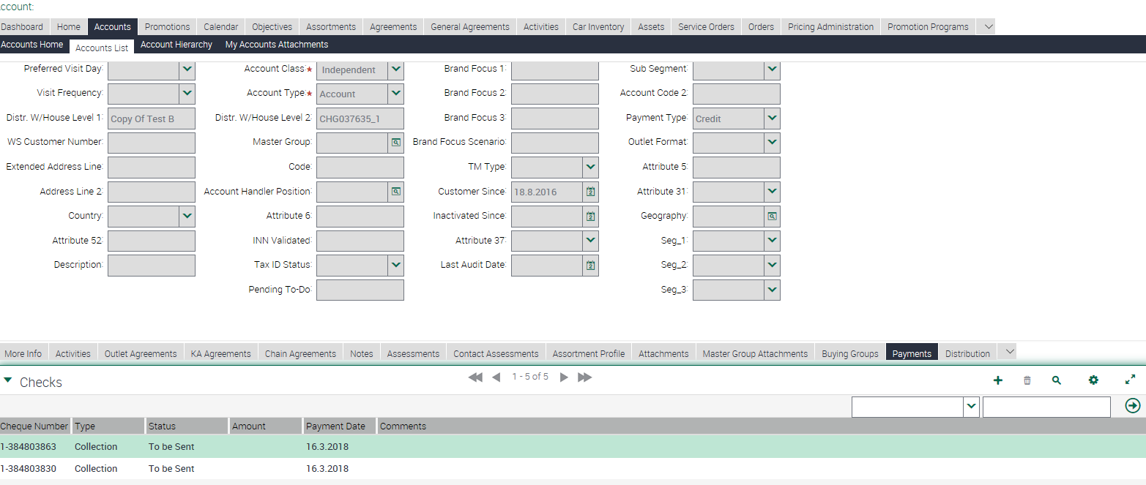
Screenshot 1

Screenshot 2

Screenshot 3

Screenshot 4

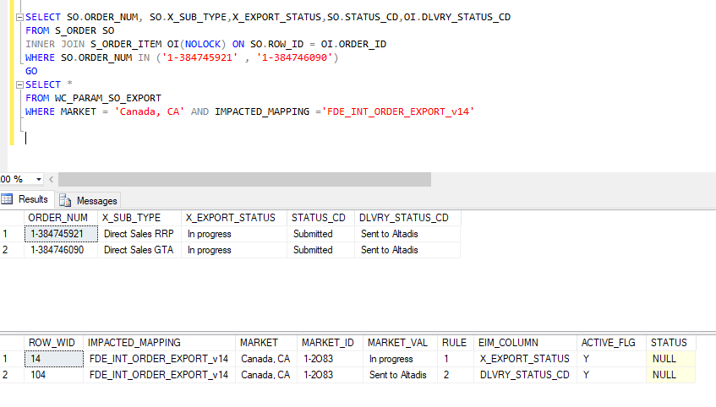

Screenshot 5

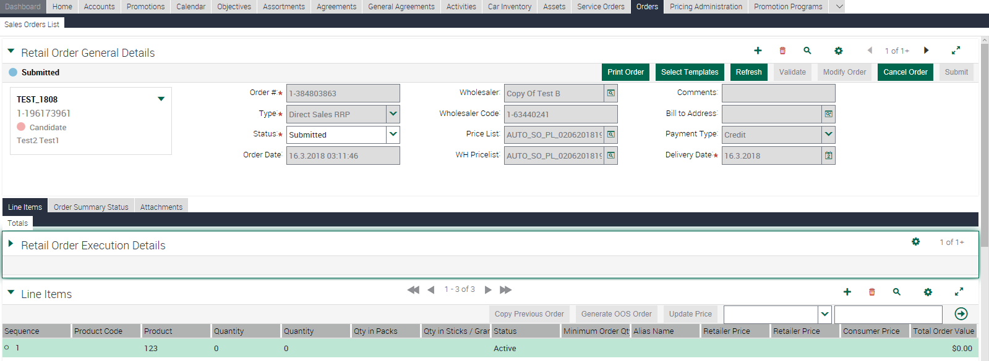

Screenshot 6

